Test Execution
ID | Test Case | Test Steps | Expected Result | Actual Result | Status | Evidence Screenshot
TC_BT_003 | Verify wallet Top-Up functionality. | Open MoMo screen page. Select the “Top-up” section. Select the recipient account to receive money. Enter the amount to top up. Click the "Top Up" button. Select the sender bank account for the Top-Up. Click on “Confirm” button. Select the identity verification method to complete the top-up. | MoMo screen page should be displayed. “Top-Up” section should be selected. The recipient account should be selected. The amount should be entered. “Top-Up” button should be clicked. The sender bank account should be selected. “Confirm” button should be clicked. The identity verification method should be selected and completed the Top-up. The success transaction result should be displayed. | MoMo screen page has been displayed. “Top-Up” section has been selected. The recipient account “MoMo wallet” has been selected. The amount “25.000đ” has been entered. “Top-Up” button has been clicked. The screen has been redirected to the sender bank account selection screen. The sender bank account “Viettin Bank” has been selected. “Confirm” button has been clicked. The screen has been displayed “Face ID” to verify identity. The phone's camera is pointed directly at the account owner's face. The success notification “Giao dịch thành công” has been displayed. | PASS | 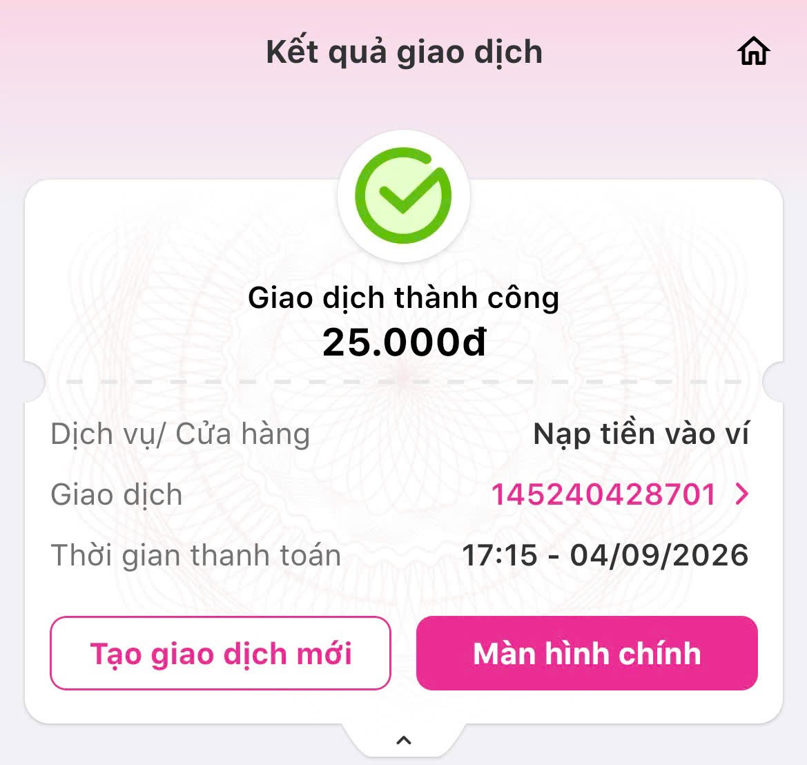
TC_BT_004 | Verify receive money functionality. | Open MoMo home page. Select “Receive Money” section. Click on “Add amount” item. Enter the amount. Enter the slogan. Click on “Save” button. Click on “Dowload” button. | MoMo home page should be displayed. “Receive Money” section should be selected. “Add amount” item should be clicked. The amount should be entered. The slogan should be entered. “Save” button should be clicked. “Dowload” button should be clicked. The receive money QR code image should be created successfully. The QR code should be displayed in the photo library phone. | MoMo home page has been displayed. “Receive Money” section has been selected. “Add amount” item has been clicked. The amount “25.000đ” has been entered. The slogan “ve xem phim” has been entered. “Save” button has been clicked. The receive money QR code has been displayed on the screen. The QR code has been created successfully, including QR code, owner’s name, the amount and the slogan have been displayed on the screen. “Dowload” button has been clicked. The QR code has been displayed in the phone’s photo library. | PASS | 